Sheet 1
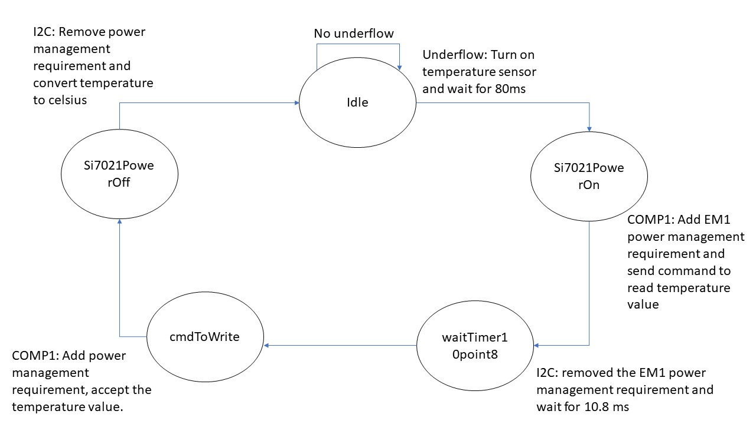
A5 Command Table
 | Event | Description | Values to save | Commands to call in response to event | Command description | Values to save
Events Common to Slaves/Clients
 | sl_bt_evt_system_boot_id | This event indicates the device has started and the radio is ready. Do not call any stack API commands before receiving this boot event, including starting BT stack soft timers! |  | sl_bt_system_get_identity_address() | Returns the unique BT device address and addressType | bd_addr
 |  |  |  | sl_bt_advertiser_create_set() | Creates an advertising set to use when the slave device wants to advertise its presence
 |  |  |  | sl_bt_advertiser_set_timing() | Sets the timing to transmit advertising packets
 |  |  |  | sl_bt_advertiser_start() | Tells the device to start sending advertising packets
 |  |  |  | sl_bt_sm_delete_bondings() | Delete any previously saved bonding details so that bonding happens fresh everytime
 |  |  |  | sl_bt_sm_configure (0x0F,sm_io_capability_displayyesno); | Set up security manager

 | sl_bt_evt_connection_opened_id | This event indicates that a new connection was opened. | Connection handle. May want to maintain a flag that tracks whether a connection is open or closed. Bonding handle | sl_bt_advertiser_stop() | Stop advertising
 |  |  |  | sl_bt_connection_set_parameters() | Send a request with a set of parameters to the master
 |  |  |  | sl_bt_system_set_soft_timer() | Start soft timer

 | sl_bt_evt_connection_closed_id | This event indicates that a connection was closed. | May want to maintain a flag that tracks whether a connection is open or closed. | sl_bt_advertiser_start() | Tells the device to start sending advertising packets
 |  |  |  | sl_bt_sm_delete_bondings() | Delete any previously saved bonding details so that bonding happens fresh everytime

 | sl_bt_evt_connection_parameters_id | Informational. Triggered whenever the connection parameters are changed and at any time a connection is established |  |  | Tells the parameters values during the execution

 | sl_bt_evt_system_external_signal_id | This event indicates that sl_bt_external_signal(myEvent) was called and returns the myEvent value | Save extsignals for handling button state indications | sl_bt_sm_passkey_confirm | sends key to be displayed and verified by user
 |  |  |  | sl_bt_gatt_server_send_indication | send indication of button state value to app
 |  |  |  | sl_bt_gatt_server_write_attribute_value | write button state value to local GATT database

 | sl_bt_evt_system_soft_timer_id | This event is called regularly to read stored indications once no GATT indication is in flight |  | sl_bt_gatt_server_send_indication | send indication of button state/temperature value to app
Events only for Slaves/Servers
 | sl_bt_evt_gatt_server_characteristic_status_id | Indicates either that a local Client Characteristic Configuration descriptor (CCCD) was changed by the remote GATT client, or that a confirmation from the remote GATT client was received upon a successful reception of the indication | Track whether indications are enabled/disabled for each and every characteristic. Track whether an indication is in flight or not. | Control LED0 - button state indications on and LED1 - temperature indications on | When in the app, indicate option is selected, it will show the temperature/button state, else it should not display

 | sl_bt_evt_gatt_server_indication_timeout_id | Possible event from calling sl_bt_gatt_server_send_indication() - i.e. we never received a confirmation for a previously transmitted indication. | Track whether an indication is in flight or not.

Security events | sl_bt_evt_sm_confirm_bonding_id | special bonding request is received and user will confirm | connection Handle and Bonding Handle | sl_bt_sm_bonding_confirm

 | sl_bt_evt_sm_confirm_passkey_id | Indicates a request for passkey display and confirmation by the user. | Passkey and connectionHandle |  | PRINT passkey and seek confirmation

 | sl_bt_evt_sm_bonded_id | Triggered after the pairing or bonding procedure is successfully completed. | Connection and Bonding Handle |  | print Bonded

